SKETCH
 |  |  | COLEMAN
SEASON | SPRING 2026 | TECH PACK SENT | 2/21/25 | ORIGINAL DATE: | 3/6/24 | Reason for Revision
GROUP | BOTTOMS | PROTO RCVD | NO PROTO NEEDED; FOLLOW S25 PRODUCTION | Revised 1: | 4/22/25 | S26 PRODUCTION
STYLE # | CS6P5668 | SHOWROOM SAMPLE | 2025-04-21 | Revised 2: | 5/15/25 | CMCL-01
DESCRIPTION | STRETCH COTTON CANVAS WORK PANTS WITH RIVETS, WELT CELL PHONE POCKET, & COIN POCKET |  |  | Revised 3: | 5/20/25 | THREAD SIZE

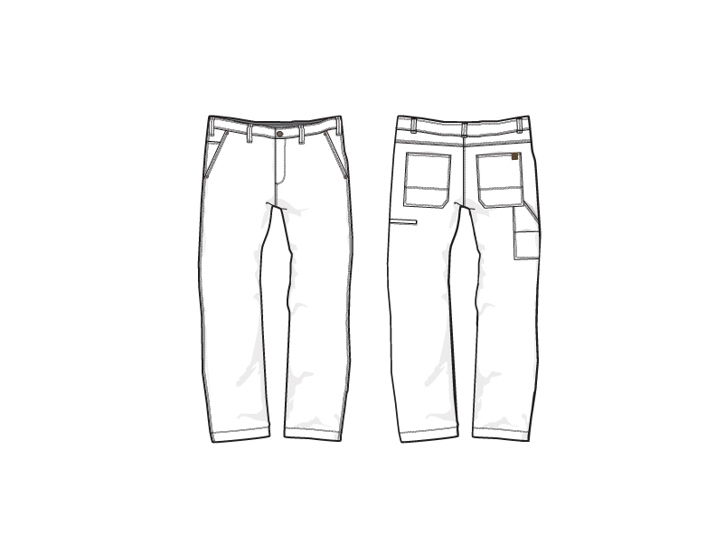
PRODUCTION

FRONT
 |  |  | COLEMAN
SEASON | SPRING 2026 | TECH PACK SENT | 2025-02-21 | ORIGINAL DATE: | 3/6/24 | Reason for Revision
GROUP | BOTTOMS | PROTO RCVD | NO PROTO NEEDED; FOLLOW S25 PRODUCTION | Revised 1: | 4/22/25 | S26 PRODUCTION
STYLE # | CS6P5668 | SHOWROOM SAMPLE | 2025-04-21 | Revised 2: | 5/15/25 | CMCL-01
DESCRIPTION | STRETCH COTTON CANVAS WORK PANTS WITH RIVETS, WELT CELL PHONE POCKET, & COIN POCKET |  |  | Revised 3: | 5/20/25 | THREAD SIZE
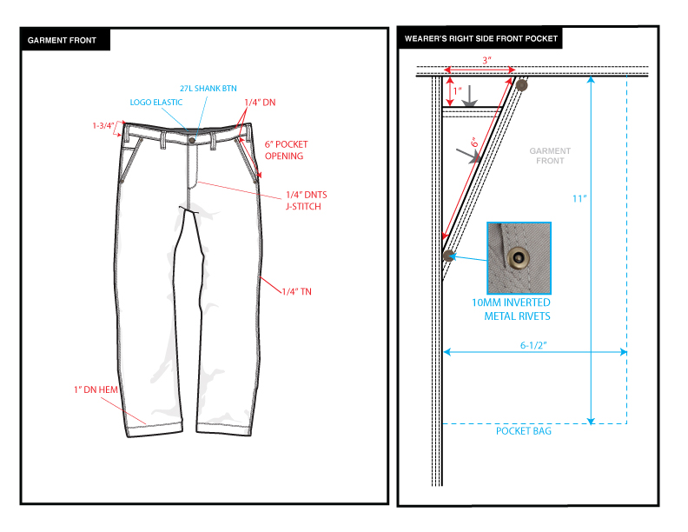

BACK
 |  |  | COLEMAN
SEASON | SPRING 2026 | TECH PACK SENT | 2025-02-21 | ORIGINAL DATE: | 3/6/24 | Reason for Revision
GROUP | BOTTOMS | PROTO RCVD | NO PROTO NEEDED; FOLLOW S25 PRODUCTION | Revised 1: | 4/22/25 | S26 PRODUCTION
STYLE # | CS6P5668 | SHOWROOM SAMPLE | 2025-04-21 | Revised 2: | 5/15/25 | CMCL-01
DESCRIPTION | STRETCH COTTON CANVAS WORK PANTS WITH RIVETS, WELT CELL PHONE POCKET, & COIN POCKET |  |  | Revised 3: | 5/20/25 | THREAD SIZE

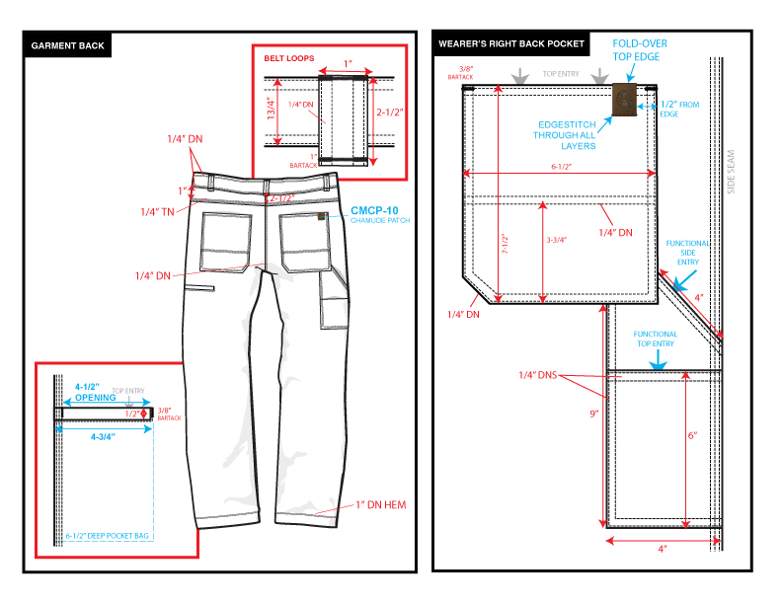

COLORS
 |  |  | COLEMAN
SEASON | SPRING 2026 | TECH PACK SENT | 2025-02-21 | ORIGINAL DATE: | 3/6/24 | Reason for Revision
GROUP | BOTTOMS | PROTO RCVD | NO PROTO NEEDED; FOLLOW S25 PRODUCTION | Revised 1: | 4/22/25 | S26 PRODUCTION
STYLE # | CS6P5668 | SHOWROOM SAMPLE | 2025-04-21 | Revised 2: | 5/15/25 | CMCL-01
DESCRIPTION | STRETCH COTTON CANVAS WORK PANTS WITH RIVETS, WELT CELL PHONE POCKET, & COIN POCKET |  |  | Revised 3: | 5/20/25 | THREAD SIZE

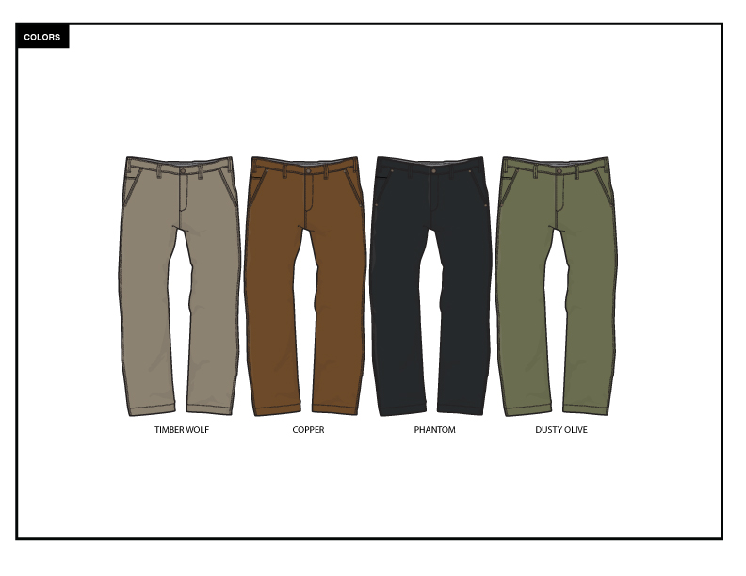

TRIM DETAIL
 |  |  | COLEMAN
SEASON | SPRING 2026 | TECH PACK SENT | 2025-02-21 | ORIGINAL DATE: | 3/6/24 | Reason for Revision
GROUP | BOTTOMS | PROTO RCVD | NO PROTO NEEDED; FOLLOW S25 PRODUCTION | Revised 1: | 4/22/25 | S26 PRODUCTION
STYLE # | CS6P5668 | SHOWROOM SAMPLE | 2025-04-21 | Revised 2: | 5/15/25 | CMCL-01
DESCRIPTION | STRETCH COTTON CANVAS WORK PANTS WITH RIVETS, WELT CELL PHONE POCKET, & COIN POCKET |  |  | Revised 3: | 5/20/25 | THREAD SIZE

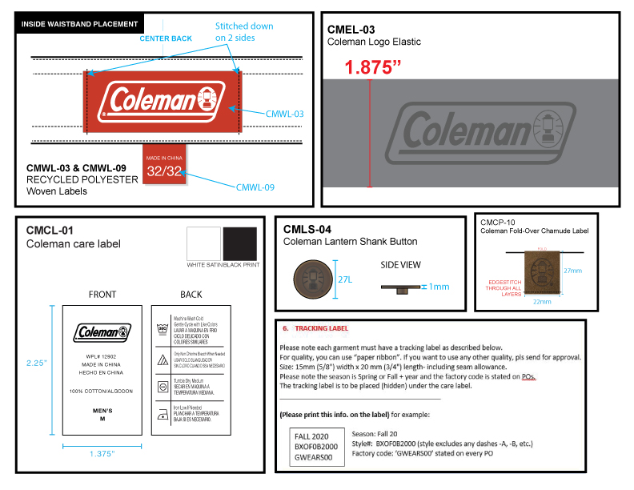

 |  |  | COLEMAN
SEASON | SPRING 2026 | TECH PACK SENT | 2025-02-21 | ORIGINAL DATE: | 3/6/24 | Reason for Revision
GROUP | BOTTOMS | PROTO RCVD | NO PROTO NEEDED; FOLLOW S25 PRODUCTION | Revised 1: | 4/22/25 | S26 PRODUCTION
STYLE # | CS6P5668 | SHOWROOM SAMPLE | 2025-04-21 | Revised 2: | 5/15/25 | CMCL-01
DESCRIPTION | STRETCH COTTON CANVAS WORK PANTS WITH RIVETS, WELT CELL PHONE POCKET, & COIN POCKET |  |  | Revised 3: | 5/20/25 | THREAD SIZE

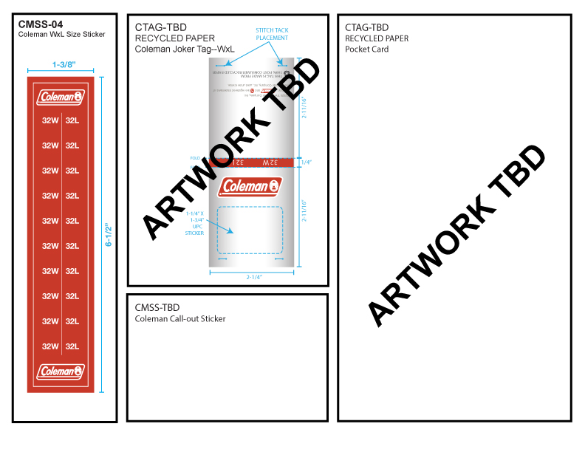

 |  |  | COLEMAN
SEASON | SPRING 2026 | PROTO # | 45709 | ORIGINAL DATE: | 3/6/24 | Reason for Revision
GROUP | BOTTOMS | PO# | NO PROTO NEEDED; FOLLOW S25 PRODUCTION | Revised 1: | 0 | S26 PRODUCTION
STYLE # | CS6P5668 | VENDOR | 45768 | Revised 2: | 5/15/25 | CMCL-01
DESCRIPTION | STRETCH COTTON CANVAS WORK PANTS WITH RIVETS, WELT CELL PHONE POCKET, & COIN POCKET |  |  | Revised 3: | 5/20/25 | THREAD SIZE

