SKETCH
 |  |  | COLEMAN
SEASON | FALL 2025 | TECH PACK SENT | 8/2/24 | ORIGINAL DATE: | 8/1/24 | Reason for Revision
GROUP | BOTTOMS | PROTO RCVD | 8/29/24 | Revised 1: | 1/31/25 | FABRIC WEIGHT
STYLE # | CF5P5744 | SHOWROOM SAMPLE | 2024-09-23 | Revised 2: | 2/18/25 | 1ST FIT
DESCRIPTION | BONDED CANVAS UTILITY PANTS WITH PATCH CELL POCKET |  |  | Revised 3: | 3/5/25 | CTAG-124

PRODUCTION
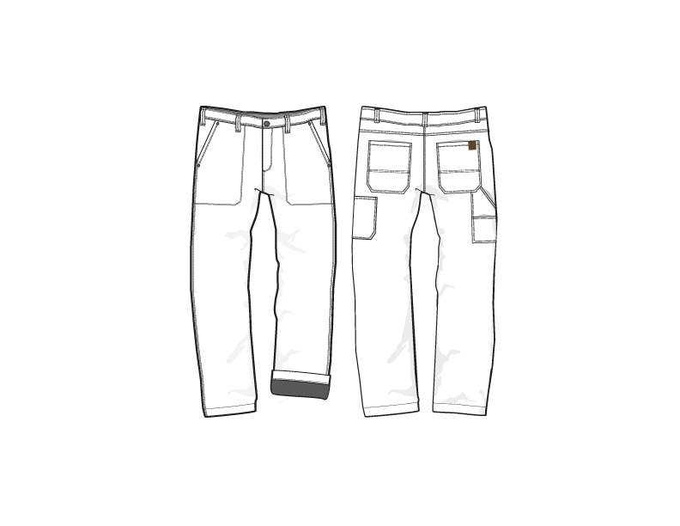

FRONT
 |  |  | COLEMAN
SEASON | FALL 2025 | TECH PACK SENT | 2024-08-02 | ORIGINAL DATE: | 8/1/24 | Reason for Revision
GROUP | BOTTOMS | PROTO RCVD | 2024-08-29 | Revised 1: | 1/31/25 | FABRIC WEIGHT
STYLE # | CF5P5744 | SHOWROOM SAMPLE | 2024-09-23 | Revised 2: | 2/18/25 | 1ST FIT
DESCRIPTION | BONDED CANVAS UTILITY PANTS WITH PATCH CELL POCKET |  |  | Revised 3: | 3/5/25 | CTAG-124

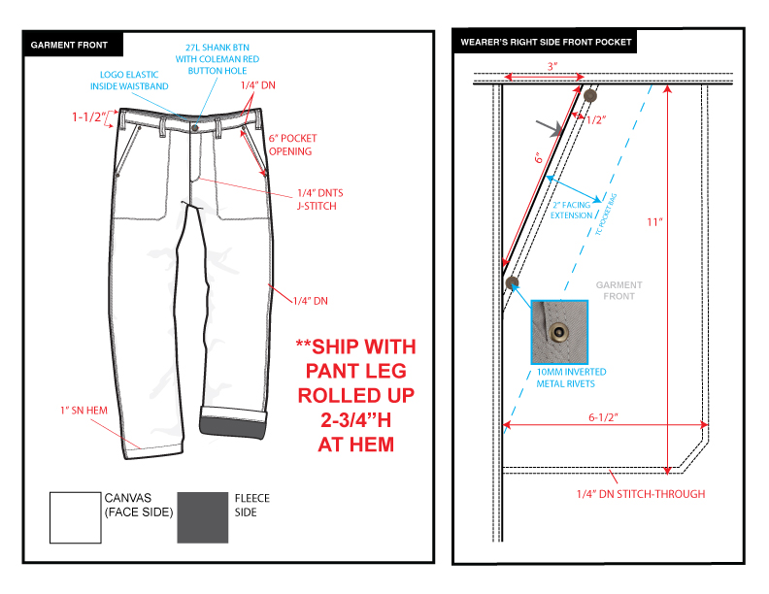

BACK
 |  |  | COLEMAN
SEASON | FALL 2025 | TECH PACK SENT | 2024-08-02 | ORIGINAL DATE: | 8/1/24 | Reason for Revision
GROUP | BOTTOMS | PROTO RCVD | 2024-08-29 | Revised 1: | 1/31/25 | FABRIC WEIGHT
STYLE # | CF5P5744 | SHOWROOM SAMPLE | 2024-09-23 | Revised 2: | 2/18/25 | 1ST FIT
DESCRIPTION | BONDED CANVAS UTILITY PANTS WITH PATCH CELL POCKET |  |  | Revised 3: | 3/5/25 | CTAG-124

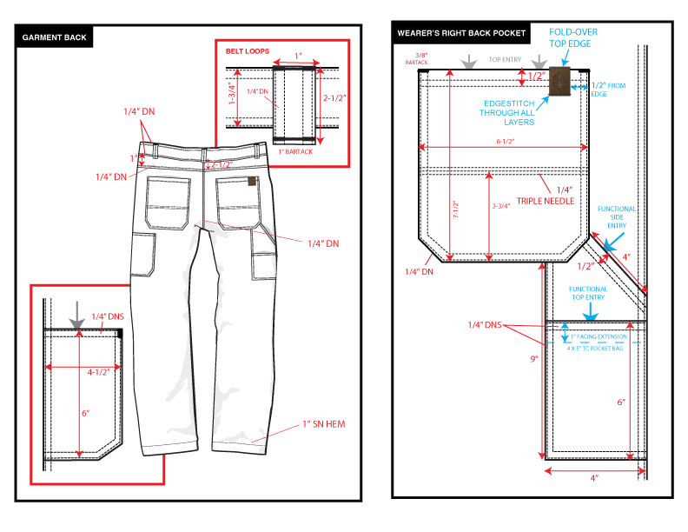

COLORS
 |  |  | COLEMAN
SEASON | FALL 2025 | TECH PACK SENT | 2024-08-02 | ORIGINAL DATE: | 8/1/24 | Reason for Revision
GROUP | BOTTOMS | PROTO RCVD | 2024-08-29 | Revised 1: | 1/31/25 | FABRIC WEIGHT
STYLE # | CF5P5744 | SHOWROOM SAMPLE | 2024-09-23 | Revised 2: | 2/18/25 | 1ST FIT
DESCRIPTION | BONDED CANVAS UTILITY PANTS WITH PATCH CELL POCKET |  |  | Revised 3: | 3/5/25 | CTAG-124

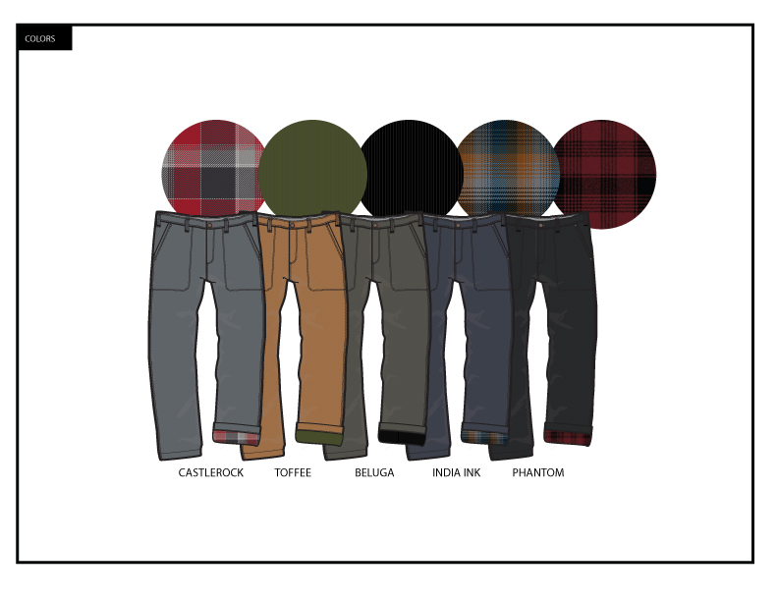

TRIM DETAIL
 |  |  | COLEMAN
SEASON | FALL 2025 | TECH PACK SENT | 2024-08-02 | ORIGINAL DATE: | 8/1/24 | Reason for Revision
GROUP | BOTTOMS | PROTO RCVD | 2024-08-29 | Revised 1: | 1/31/25 | FABRIC WEIGHT
STYLE # | CF5P5744 | SHOWROOM SAMPLE | 2024-09-23 | Revised 2: | 2/18/25 | 1ST FIT
DESCRIPTION | BONDED CANVAS UTILITY PANTS WITH PATCH CELL POCKET |  |  | Revised 3: | 3/5/25 | CTAG-124

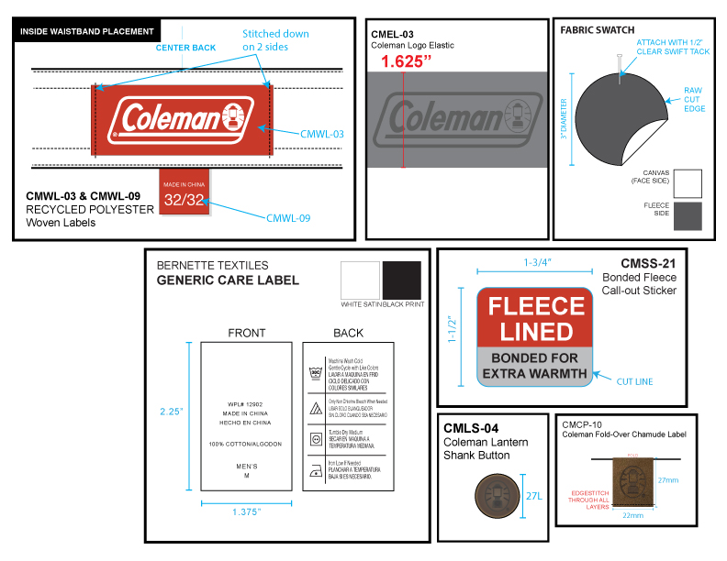

 |  |  | COLEMAN
SEASON | FALL 2025 | TECH PACK SENT | 2024-08-02 | ORIGINAL DATE: | 8/1/24 | Reason for Revision
GROUP | BOTTOMS | PROTO RCVD | 2024-08-29 | Revised 1: | 1/31/25 | FABRIC WEIGHT
STYLE # | CF5P5744 | SHOWROOM SAMPLE | 2024-09-23 | Revised 2: | 2/18/25 | 1ST FIT
DESCRIPTION | BONDED CANVAS UTILITY PANTS WITH PATCH CELL POCKET |  |  | Revised 3: | 3/5/25 | CTAG-124

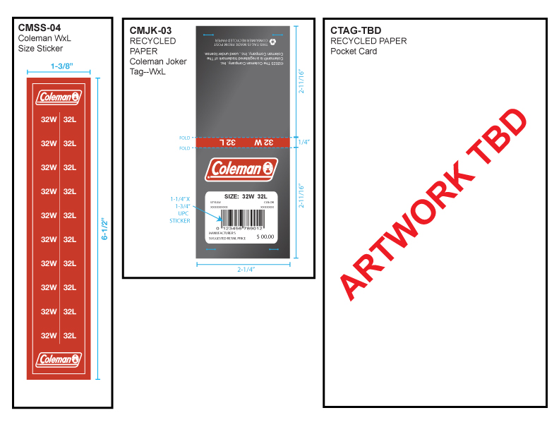

 |  |  | COLEMAN
SEASON | FALL 2025 | PROTO # | 45506 | ORIGINAL DATE: | 8/1/24 | Reason for Revision
GROUP | BOTTOMS | PO# | 45533 | Revised 1: | 0 | FABRIC WEIGHT
STYLE # | CF5P5744 | VENDOR | 45558 | Revised 2: | 2/18/25 | 1ST FIT
DESCRIPTION | BONDED CANVAS UTILITY PANTS WITH PATCH CELL POCKET |  |  | Revised 3: | 3/5/25 | CTAG-124

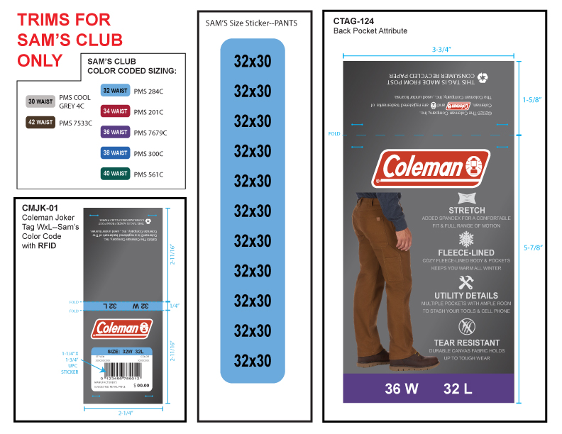

1ST
 |  |  |  |  |  |  | COLEMAN
SEASON | FALL 2025 |  |  |  |  | TECH PACK SENT | ORIGINAL DATE: | 8/1/24 | Reason for Revision
GROUP | BOTTOMS |  |  |  |  | PROTO RCVD | Revised 1: | 1/31/25 | FABRIC WEIGHT
STYLE # | CF5P5744 |  |  |  |  | SHOWROOM SAMPLE | Revised 2: | 2/18/25 | 1ST FIT
DESCRIPTION | BONDED CANVAS UTILITY PANTS WITH PATCH CELL POCKET |  |  |  |  |  | Revised 3: | 3/5/25 | CTAG-124

PROTO & SRS SPEC: BASED ON CF4P5491 PRODUCTION FIT
MEASUREMENT |  | 32 X 32 | TOL +/- | 32 X 32 | 2/19/25 1ST |  | METHOD OF MEASURE
WAIST |  | 34 | 0.5 | 34 | 34.5 |  | ALONG TOP EDGE
HIGH HIP |  | 41 | 0.5 | 41 | 41 |  | 4" BELOW WAISTBAND (3 POINTS)
SEAT |  | 42.5 | 0.5 | 42.5 | 42.5 |  | 3" ABOVE CROTCH (3 POINTS)
THIGH |  | 24.5 | 0.375 | 24.5 | 24.5 |  | 1" BELOW CROTCH
KNEE |  | 18.5 | 0.25 | 18.5 | 19 |  | HALF INSEAM
BOTTOM OPENING |  | 16.5 | 0.25 | 16.5 | 16.5 |  | ALONG BOTTOM EDGE

FRONT RISE |  | 9.5 | 0.25 | 9.5 | 9.5 |  | BELOW WAISTBAND TO CROTCH SEAM
BACK RISE |  | 14.5 | 0.25 | 14.5 | 14.5 |  | BELOW WAISTBAND TO CROTCH SEAM
INSEAM 30" |  | 29.5 | 0.5 | 29.5
INSEAM 32" |  | 31.5 | 0.5 | 31.5 | 31.5 |  | FROM CROTCH SEAM TO BOTTOM EDGE
INSEAM 34" |  | 33.5 | 0.5 | 33.5
FLY LENGTH |  | 7 | 0.25 | 7 | 7 |  | BELOW WAISTBAND TO FLY BOTTOM EDGE (INCLUDE DBL STITCH)
ZIPPER LENGTH |  | 6.5 | 0.125 | 6.5 | 6.5
WAISTBAND HEIGHT |  | 1.5 | 0.125 | 1.5 | 1.625
BELT LOOP WIDTH/ HEIGHT |  | 1 X 2 1/4 | 1/8 | 1 X 2 1/4 | 1 X 2 3/8 |  | NEITHER

FRONT POCKET OPENING |  | 6 | 0.25 | 6 | 6 |  | ALONG EDGE
FRONT POCKET OPENING WIDTH |  | 3 | 0.125 | 3 | 3.125 |  | AT WAISTBAND SEAM
FRONT SLANT POCKET WIDTH / HEIGHT |  | 6 1/2 X 11 | 0.25 | 6 1/2 X 11 | 6 1/2 X 11
BACK POCKET SIZE |  | 7 1/2 X 6 1/2 | 0.25 | 7 1/2 X 6 1/2 | 7 1/2 X 6 1/2 |  | HEIGHT x WIDTH
BACK POCKET LOWER PORTION HEIGHT |  | 3.75 | 0.125 | 3.75 | 3.75
BACK POCKET PLACEMENT |  | 1.75 | 1/8 | 1.75 | 2 |  | FROM CB RISE SEAM
BACK POCKET BELOW YOKE SEAM |  | 1.5 | 0.125 | 1.5 | 1.375 |  | CLOSER TO CB RISE
BACK POCKET BELOW YOKE SEAM |  | 1.75 | 0.125 | 1.75 | 1.875 |  | CLOSER TO SIDE SEAM

LEG CUFF HEIGHT |  | 2.75 | 0.125 | 2.75 | 2.75 |  | AT WEARER'S LEFT
BACK YOKE HEIGHT AT CB / SIDE |  | 2 1/2 X 1 | 0.125 | 2 1/2 X 1 | 2 3/8 X 1
BACK CARPENTER POCKET WIDTH / HEIGHT |  | 4 X 6 | 0.125 | 4 X 6 | 4 5/8 X 6
TOTAL CARPENTER POCKET LENGTH |  | 9 | 0.25 | 9 | 9
SADDLE WIDTH 2" ABOVE CROTCH |  | 7 | 0.25 | 7 | 6.5
PATCH CELL PHONE POCKET (HXW) |  | 6 X 4 1/2 | 0.25 | 6 X 4 1/2 | 6 X 4 1/4

2/19/25 - APPAREL SOURCING - 1ST FIT SAMPLE FITS WELL ON THE MODEL. WE ARE SENDING TO SAMS FOR APPROVAL - PLEASE WAIT FOR SAM'S APPROVAL. Approved 2/25
1. MOST MEASUREMENTS ARE WITHIN SPEC. PLEASE MAINTAIN FOR PP SAMPLE WHEN SAM APPROVES 1ST FIT. FOR NOW, PLEASE SEND US ANOTHER 2-PCS IN SIZE 32X34:
1PC IN FOR SAM'S IF THEY REJECT OUR 32 INSEAM AND 1PC FOR US AS A KEEP SAMPLE.
2. AFTER SAM'S APPROVAL SEND REQUIRED PP SAMPLES FROM DORIS' DOCUMENT FOR SAMPLE REQUIREMENTS. IF YOU HAVE ANY QUESTIONS REGARDING SAMPLES AT PP STAGE PLEASE EMAIL US.

THANK YOU - STEPHANIE

