SKETCH
 |  |  | COLEMAN
SEASON | FALL 2025 | TECH PACK SENT |  | ORIGINAL DATE: | 8/7/24 | Reason for Revision
GROUP | OUTERWEAR | PROTO RCVD | NO PROTO--POCKET MOCK-UP ONLY | Revised 1: | 12/16/24 | PRODUCTION
STYLE # | CF5H4533 | SHOWROOM SAMPLE | 2024-09-23 | Revised 2: | 1/6/25 | UPDATE DETAILS
DESCRIPTION | PRINTED POLAR FLEECE-LINED CANVAS SHIRT JACKET WITH PENCIL SLOT |  |  | Revised 3:

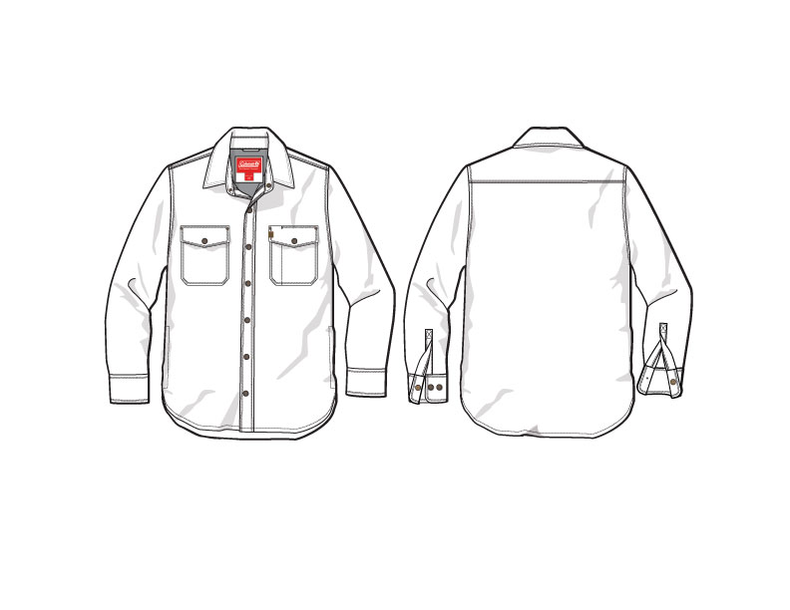
PRODUCTION

FRONT
 |  |  | COLEMAN
SEASON | FALL 2025 | TECH PACK SENT | 0 | ORIGINAL DATE: | 8/7/24 | Reason for Revision
GROUP | OUTERWEAR | PROTO RCVD | NO PROTO--POCKET MOCK-UP ONLY | Revised 1: | 12/16/24 | PRODUCTION
STYLE # | CF5H4533 | SHOWROOM SAMPLE | 2024-09-23 | Revised 2: | 1/6/25 | UPDATE DETAILS
DESCRIPTION | PRINTED POLAR FLEECE-LINED CANVAS SHIRT JACKET WITH PENCIL SLOT |  |  | Revised 3: | 0 | 0

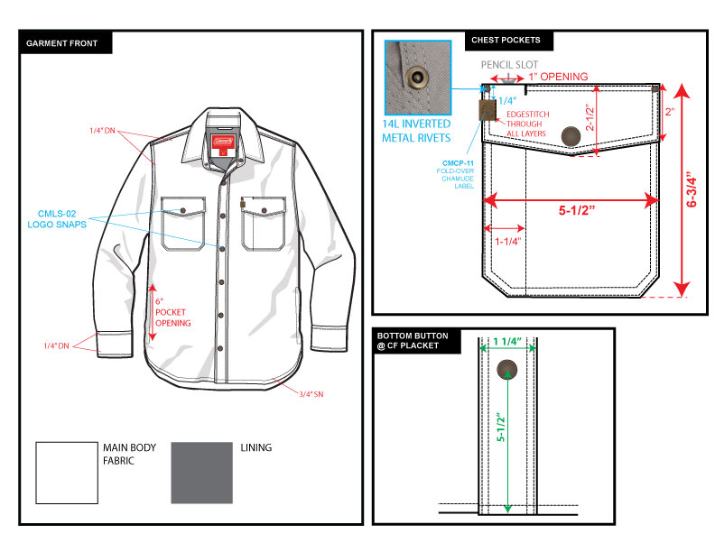

BACK
 |  |  | COLEMAN
SEASON | FALL 2025 | TECH PACK SENT | 0 | ORIGINAL DATE: | 8/7/24 | Reason for Revision
GROUP | OUTERWEAR | PROTO RCVD | NO PROTO--POCKET MOCK-UP ONLY | Revised 1: | 12/16/24 | PRODUCTION
STYLE # | CF5H4533 | SHOWROOM SAMPLE | 2024-09-23 | Revised 2: | 1/6/25 | UPDATE DETAILS
DESCRIPTION | PRINTED POLAR FLEECE-LINED CANVAS SHIRT JACKET WITH PENCIL SLOT |  |  | Revised 3: | 0 | 0

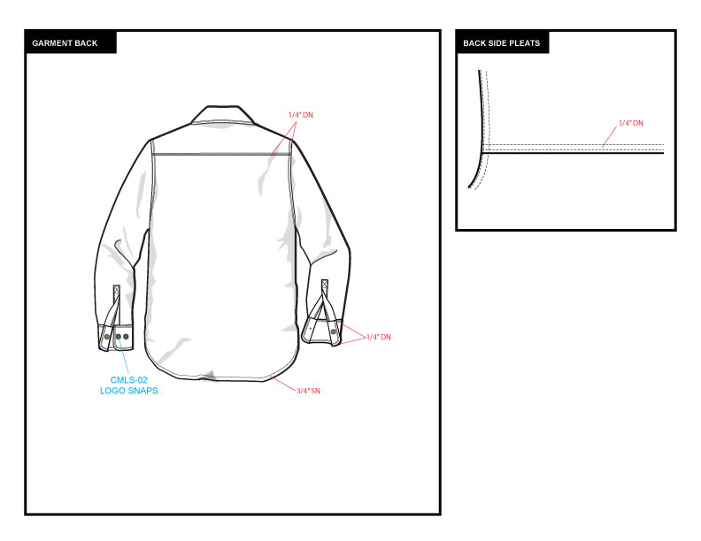

DETAIL
 |  |  | COLEMAN
SEASON | FALL 2025 | TECH PACK SENT | 0 | ORIGINAL DATE: | 8/7/24 | Reason for Revision
GROUP | OUTERWEAR | PROTO RCVD | NO PROTO--POCKET MOCK-UP ONLY | Revised 1: | 12/16/24 | PRODUCTION
STYLE # | CF5H4533 | SHOWROOM SAMPLE | 2024-09-23 | Revised 2: | 1/6/25 | UPDATE DETAILS
DESCRIPTION | PRINTED POLAR FLEECE-LINED CANVAS SHIRT JACKET WITH PENCIL SLOT |  |  | Revised 3: | 0 | 0

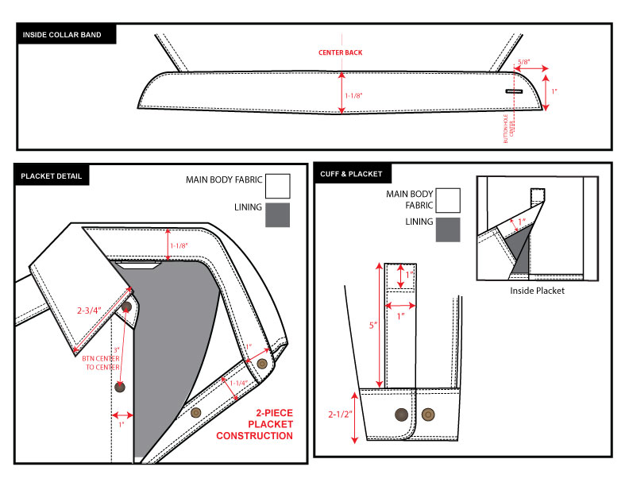

COLORS
 |  |  | COLEMAN
SEASON | FALL 2025 | TECH PACK SENT | 0 | ORIGINAL DATE: | 8/7/24 | Reason for Revision
GROUP | OUTERWEAR | PROTO RCVD | NO PROTO--POCKET MOCK-UP ONLY | Revised 1: | 12/16/24 | PRODUCTION
STYLE # | CF5H4533 | SHOWROOM SAMPLE | 2024-09-23 | Revised 2: | 1/6/25 | UPDATE DETAILS
DESCRIPTION | PRINTED POLAR FLEECE-LINED CANVAS SHIRT JACKET WITH PENCIL SLOT |  |  | Revised 3: | 0 | 0

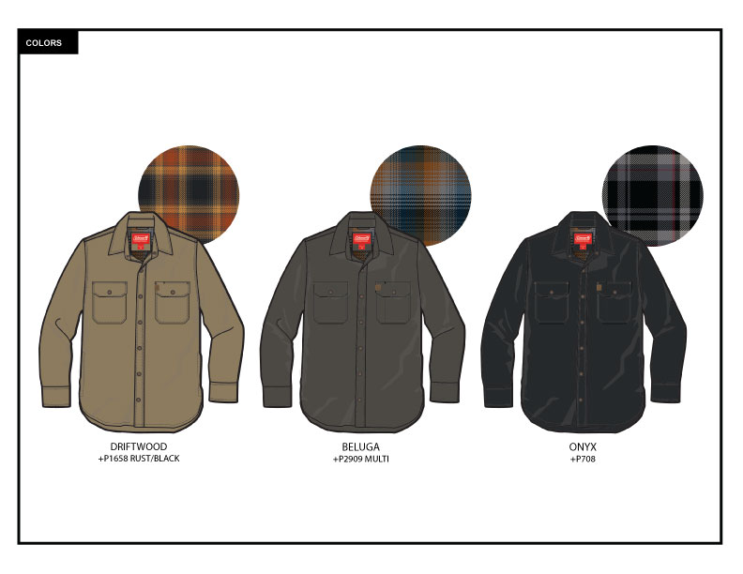

TRIM DETAIL
 |  |  | COLEMAN
SEASON | FALL 2025 | TECH PACK SENT | 0 | ORIGINAL DATE: | 8/7/24 | Reason for Revision
GROUP | OUTERWEAR | PROTO RCVD | NO PROTO--POCKET MOCK-UP ONLY | Revised 1: | 12/16/24 | PRODUCTION
STYLE # | CF5H4533 | SHOWROOM SAMPLE | 2024-09-23 | Revised 2: | 1/6/25 | UPDATE DETAILS
DESCRIPTION | PRINTED POLAR FLEECE-LINED CANVAS SHIRT JACKET WITH PENCIL SLOT |  |  | Revised 3: | 0 | 0

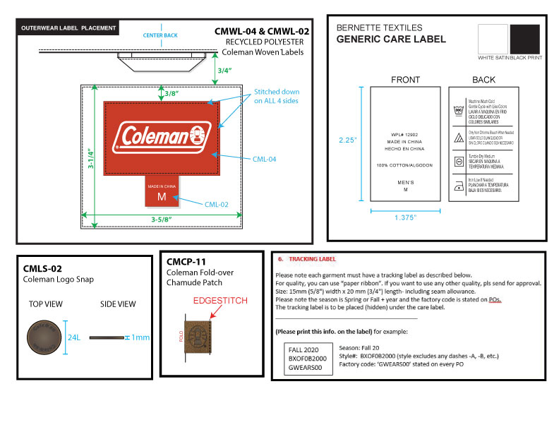

 |  |  | COLEMAN
SEASON | FALL 2025 | TECH PACK SENT | 0 | ORIGINAL DATE: | 8/7/24 | Reason for Revision
GROUP | OUTERWEAR | PROTO RCVD | NO PROTO--POCKET MOCK-UP ONLY | Revised 1: | 12/16/24 | PRODUCTION
STYLE # | CF5H4533 | SHOWROOM SAMPLE | 2024-09-23 | Revised 2: | 1/6/25 | UPDATE DETAILS
DESCRIPTION | PRINTED POLAR FLEECE-LINED CANVAS SHIRT JACKET WITH PENCIL SLOT |  |  | Revised 3: | 0 | 0

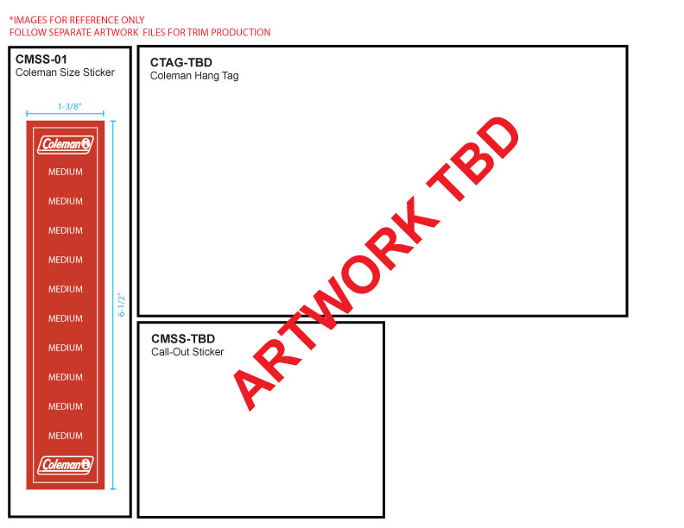

 |  |  | COLEMAN
SEASON | FALL 2025 | PROTO # | 0 | ORIGINAL DATE: | 8/7/24 | Reason for Revision
GROUP | OUTERWEAR | PO# | NO PROTO--POCKET MOCK-UP ONLY | Revised 1: | 0 | PRODUCTION
STYLE # | CF5H4533 | VENDOR | 45558 | Revised 2: | 1/6/25 | UPDATE DETAILS
DESCRIPTION | PRINTED POLAR FLEECE-LINED CANVAS SHIRT JACKET WITH PENCIL SLOT |  |  | Revised 3: | 0 | 0

